Sheet1
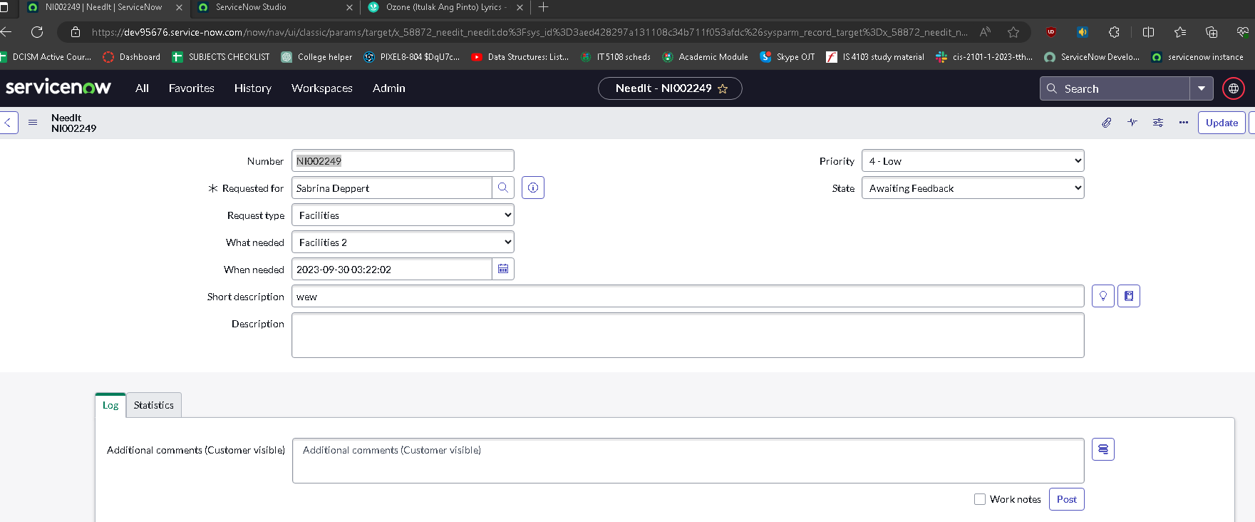
Name: | YEVGENY GRAZIO MARI ALBANO | Exercise/Laboratory: | Assignment 05 Client Side Scripting
Block/Section: | IT 5108 | Date: | 09 / 30 / 2023
Github Repository Link:
Laboratory #1

Laboratory #2

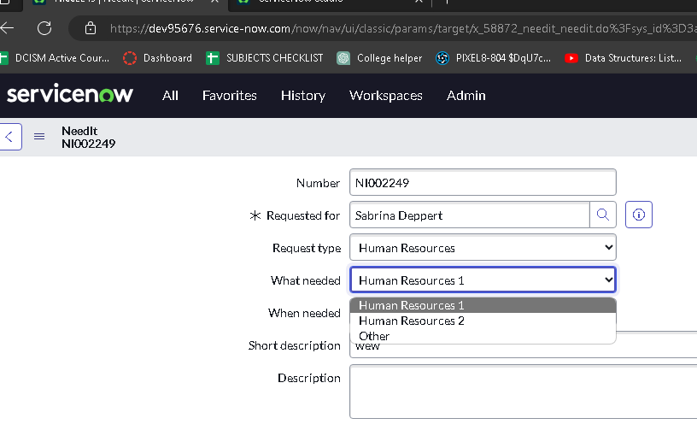
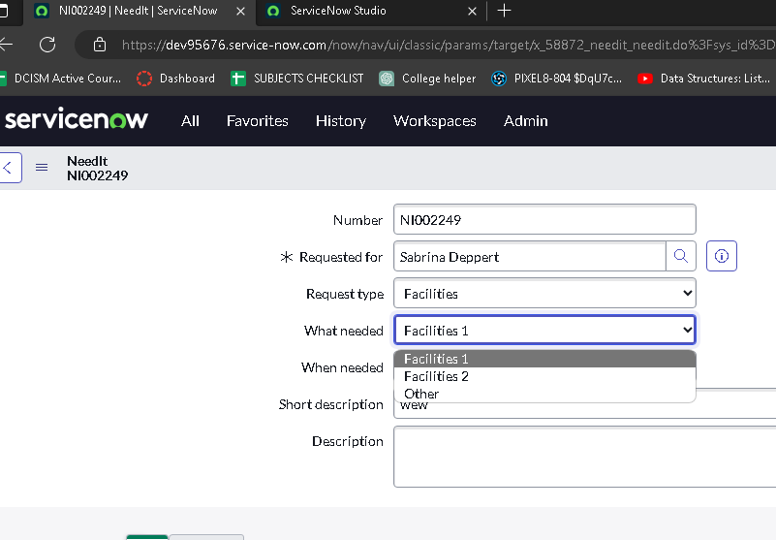
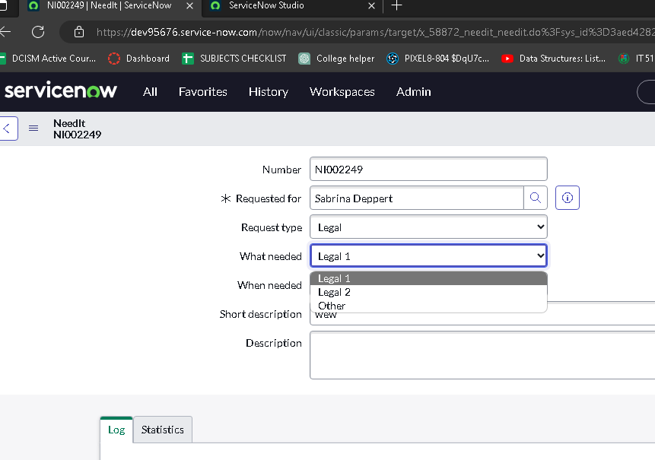

Laboratory #3

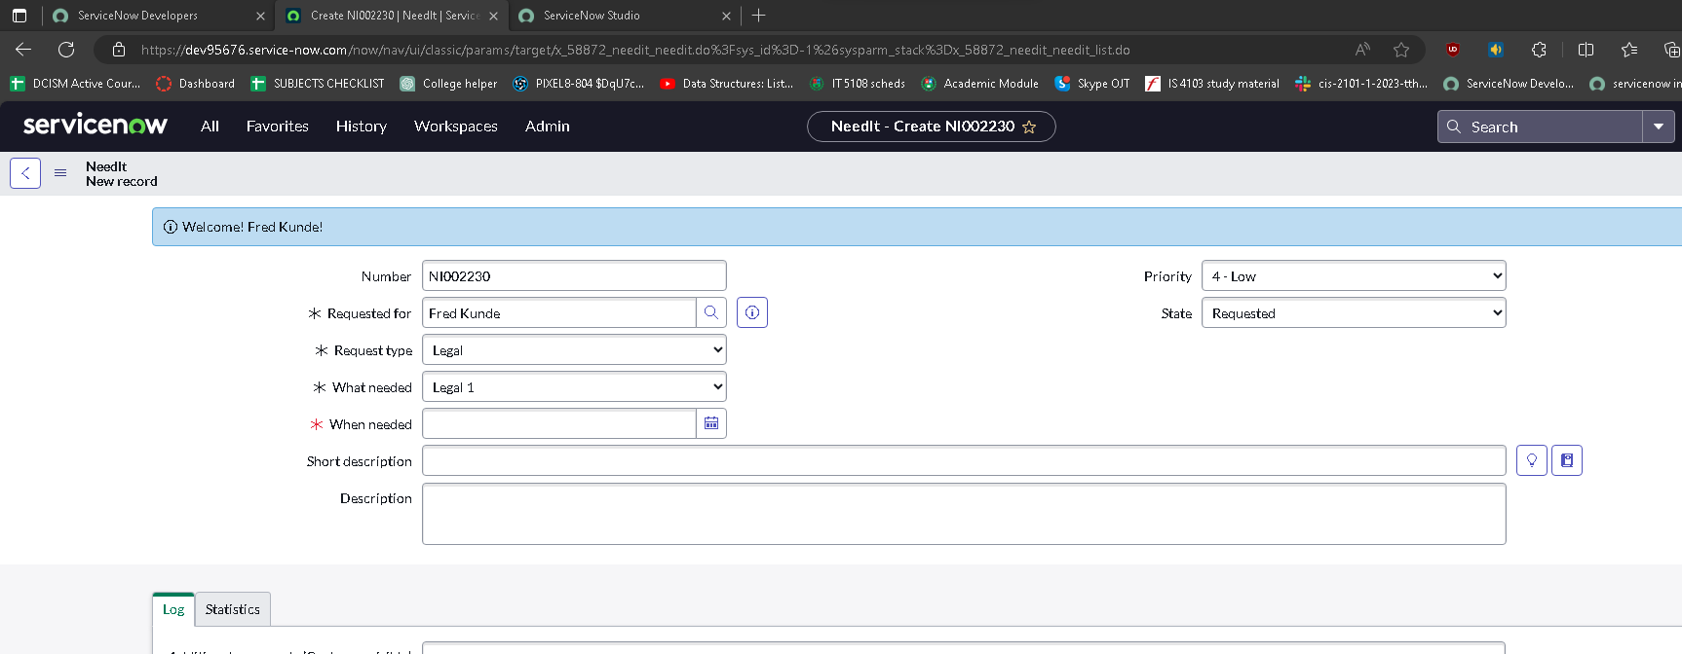

Laboratory #4

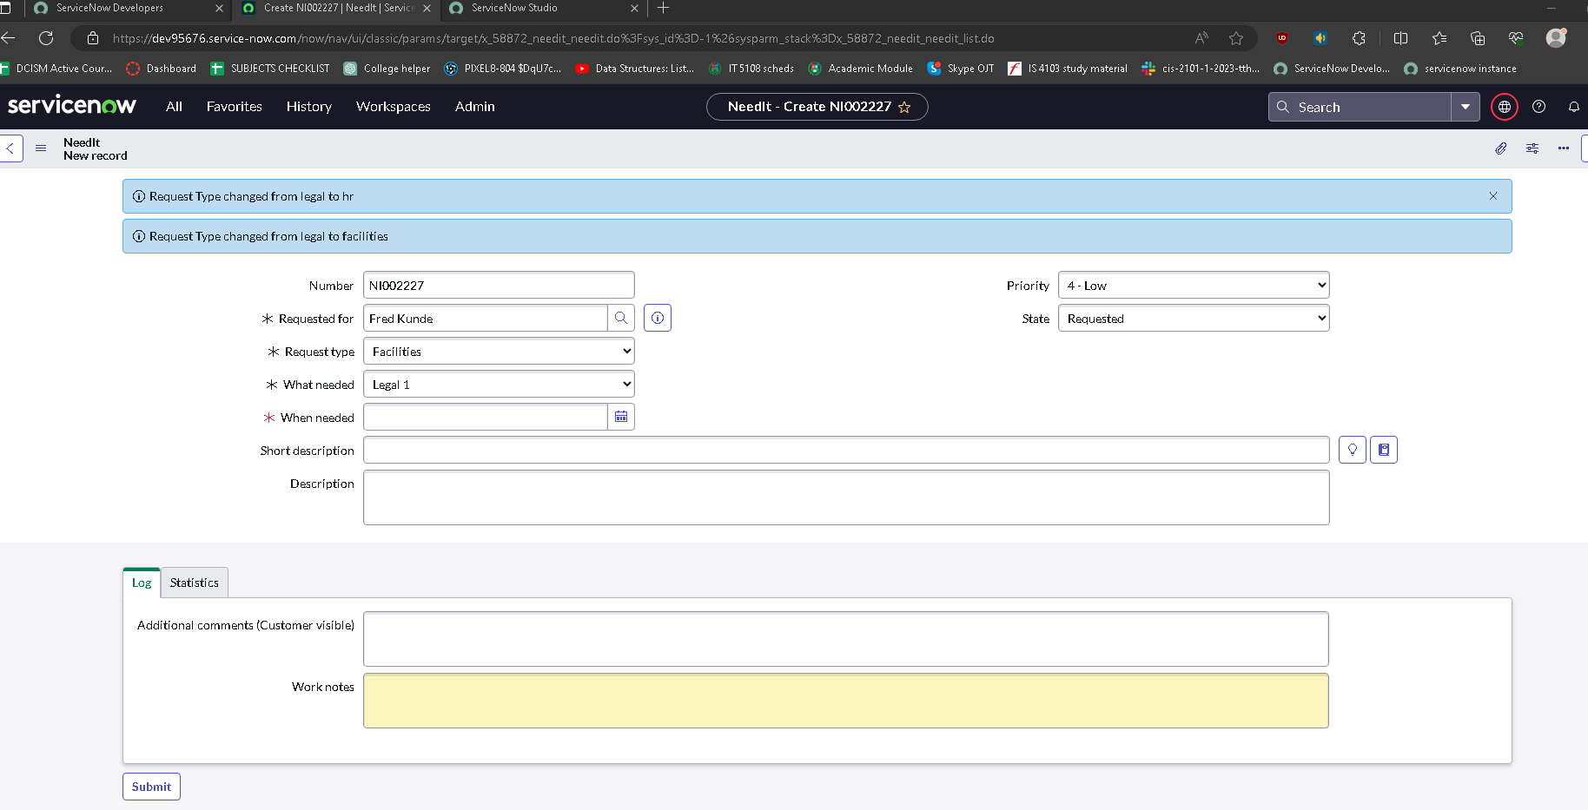

Laboratory #5

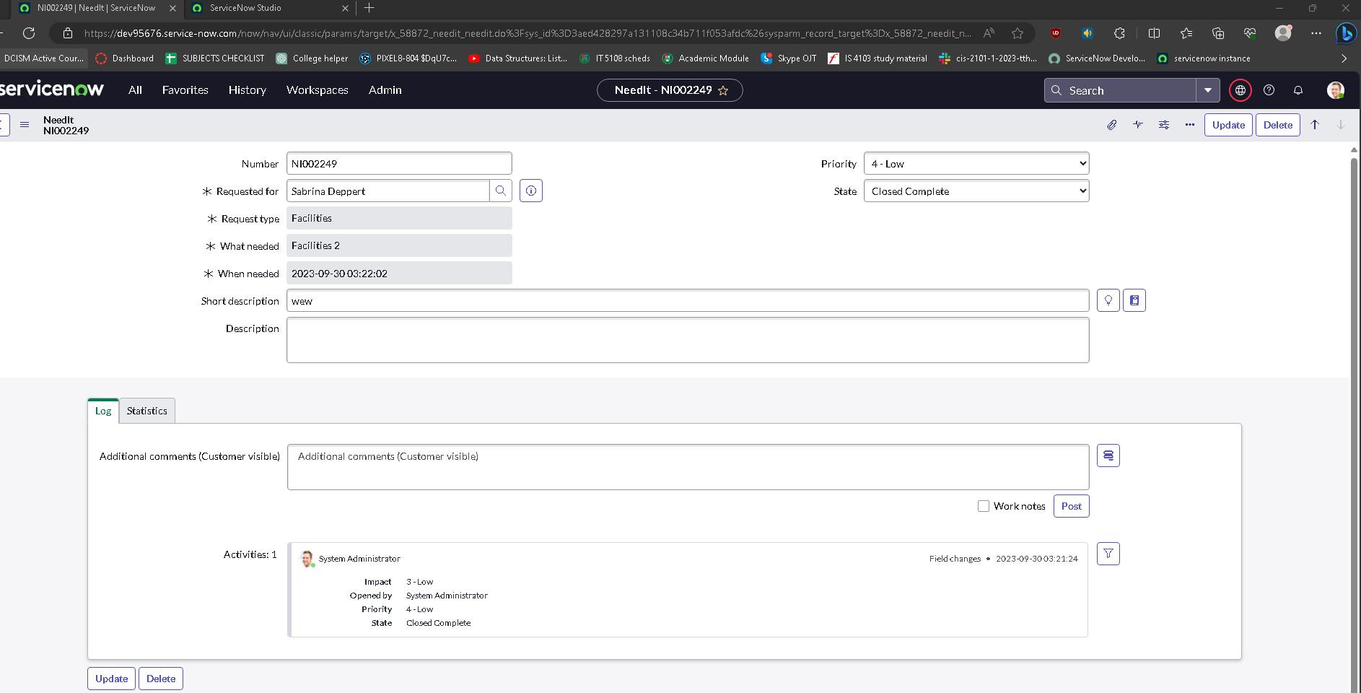

Laboratory #5

